Category Vs Sales
Row Labels | Count of Sales
Bakery | 1413
Beverages | 1400
Eggs, Meat & Fish | 1490
Food Grains | 1398
Fruits & Veggies | 1418
Category Vs Sales
 | Total
Bakery | 1413
Beverages | 1400
Eggs, Meat & Fish | 1490
Food Grains | 1398
Fruits & Veggies | 1418
Oil & Masala | 1361
Snacks | 1514
(blank)
Oil & Masala | 1361
Snacks | 1514
(blank)

City vs Sales
Row Labels | Count of Sales
Bodi | 442
Chennai | 432
Coimbatore | 428
Cumbum | 417
City Vs Sales
 | Total
Bodi | 442
Chennai | 432
Coimbatore | 428
Cumbum | 417
Dharmapuri | 376
Dindigul | 396
Kanyakumari | 459
Karur | 430
Krishnagiri | 440
Madurai | 408
Nagercoil | 373
Namakkal | 403
Ooty | 404
Perambalur | 434
Pudukottai | 430
Ramanadhapuram | 421
Salem | 431
Tenkasi | 432
Theni | 387
Tirunelveli | 446
Trichy | 357
Vellore | 435
Viluppuram | 397
Virudhunagar | 416
(blank)
Dharmapuri | 376
Dindigul | 396
Kanyakumari | 459
Karur | 430
Krishnagiri | 440
Madurai | 408
Nagercoil | 373
Namakkal | 403
Ooty | 404
Perambalur | 434
Pudukottai | 430
Ramanadhapuram | 421
Salem | 431
Tenkasi | 432
Theni | 387
Tirunelveli | 446
Trichy | 357
Vellore | 435
Viluppuram | 397
Virudhunagar | 416
(blank)
Grand Total | 9994

Sales vs Region
Row Labels | Count of Sales
Central | 2323
East | 2848
North | 1
South | 1619
West | 3203
Sales Vs Region
 | Total
Central | 2323
East | 2848
North | 1
South | 1619
West | 3203
(blank)
(blank)
Grand Total | 9994

Name Vs Profits
Row Labels | Count of Profit
Amrish | 227
Arutra | 218
Krithika | 224
Shah | 215
Name Vs Profits
Verma | 218
Vidya | 215

Sales Vs Oders
 | Values
Row Labels | Sum of Sales | Count of Order ID
2015 | 112093 | 75
2016 | 142369 | 96
Order Vs Sales
2017 | 121814 | 83
2018 | 183607 | 124

Supermart Grocery Sales
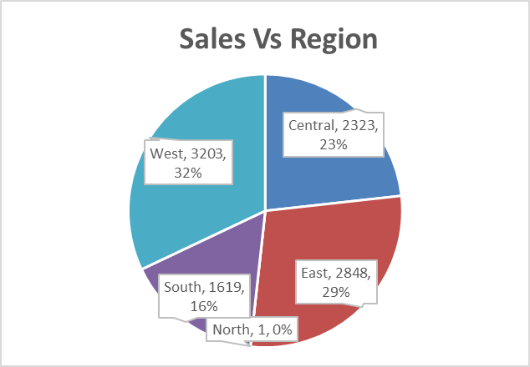
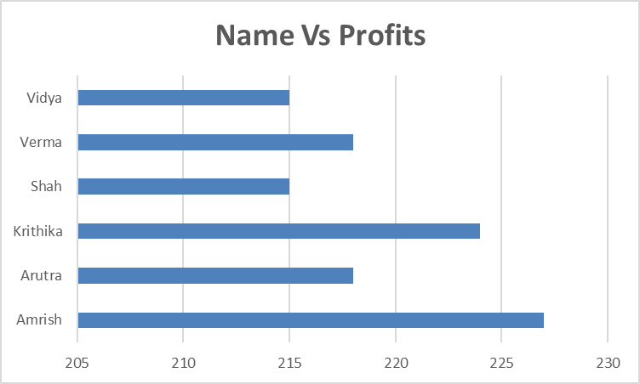
Order Vs Sales
 | Sum of Sales | Count of Order ID
2015 | 112093 | 75
2016 | 142369 | 96
2017 | 121814 | 83
2018 | 183607 | 124
Supermart Grocery Sales
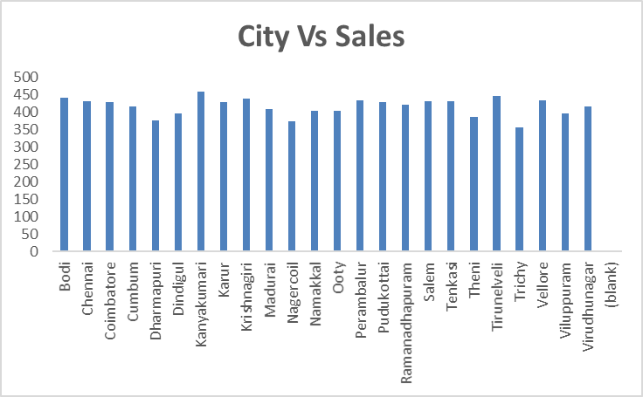

Category Vs Sales
 | Total
Bakery | 1413
Beverages | 1400
Eggs, Meat & Fish | 1490
Food Grains | 1398
Fruits & Veggies | 1418
Oil & Masala | 1361
Snacks | 1514
(blank)

